Introduction
 | About Kreative Organics |  | Submission
 |  |  | Firstly, create a copy of this entire sheet. Secondly understand the sheet completely and perform the assignment tasks. Finallly, to submit- change the sharing permissions to "anyone with link can view" and enter the google sheet link in the google form given to you below. Your respons will be recorded.
 | Kreative Organics Private Limited is a manufacturer of Active Pharmaceutical Ingredients (APIs) for the world market. Kreative maintains strict quality standards and has developed a robust quality system around which all of our products are manufactured.

 | Kreative, which started with one product, today has a portfolio of over 11 products. All of our products were developed by our in-house R&D team. Kreative continues to invest in R&D to develop products for which we can become the supplier of choice for the regulated and quality conscious markets.

 | The quality, value and delivery differentiate Kreative Organics among rest of the companies.
 |  |  | GFrom Link-
Website: | https://www.kreativeorganics.com/index.html |  | https://forms.gle/E91ZLq8KvN9FFijc8

 | How can someone easily complete the assignment: Tip

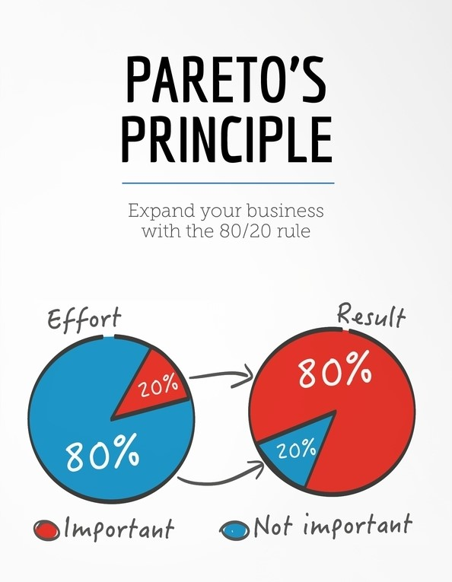

 |  | The tasks are quite easy, provided you follow the Pareto's law: spend 80% of the time reading and understanding, 20% time executing the task

Sample of Task-1
 | Sample Assignment 1

 |  |  |  | Context: | You are given an export data set of 110 data points which includes different chemical names and quantity exported on which you have to perform analysis. And in task 1 you are required to create a list of different names used for a common chemical in the data set which have decreased the usability of the data collected. Hence by curating all the different names used will increase the usability of the data. For which reference you can refer to the given sample task 1 sub-sheet. (this sub-sheet)

 |  | Sample Data Set Sheet link: | https://docs.google.com/spreadsheets/d/1p87VYAs55HsvxxLnbhWO46DYJV3alBjmV-UDbB7NSOI/edit#gid=0

 |  | Provisional Image of how a sample data set sheet looks like
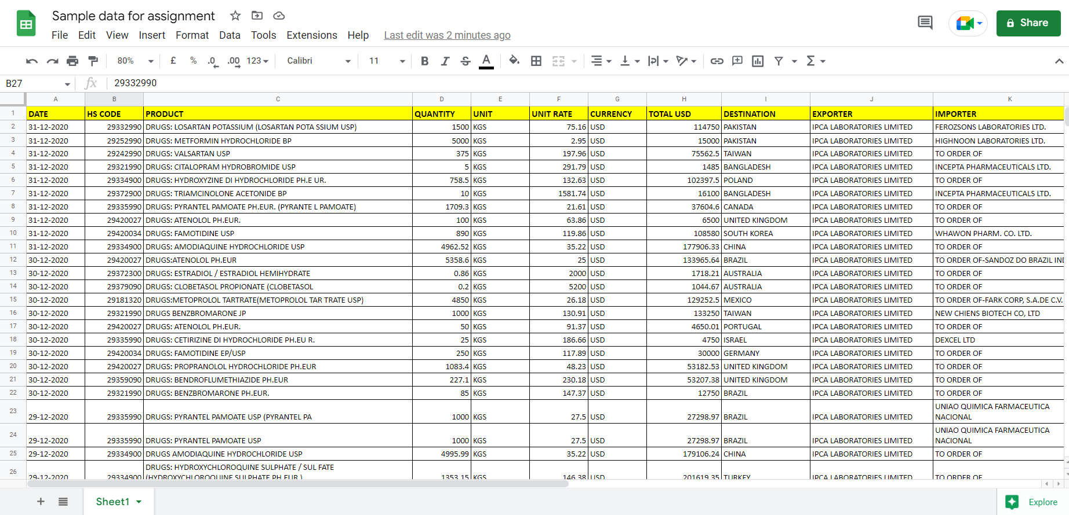

 | Listed all the different for a common product

Solution Sheet Link: | https://docs.google.com/spreadsheets/d/1p87VYAs55HsvxxLnbhWO46DYJV3alBjmV-UDbB7NSOI/edit#gid=0
Solution Table:
 |  | Sample solution for reference

 |  | Sr No | HS Code | Different names used for the same product
 |  | 1 | 29420034 | DRUGS: FAMOTIDINE USP
 |  |  | 29420034 | DRUGS: FAMOTIDINE EP/USP
 |  |  | 29420034 | DRUGS: FAMOTIDINE (FAMOTIDINE EP/USP)

Question |  | Extract data insights for decision making.

CEO's response |  | Lack of information can lead to uninformed decision making, but misinterpreted data will always lead to business damage because misinformation is more harmful than lack of information. Businesses use different methods of misdirection to avoid giving out crucial business information.

 |  | Identifying misdirected information is one of the major responsibilities that you will have. The first step would be to familiarise yourself with the data you are working with to get an understanding of the data's primary characteristics, followed by research that helps you to identify the misdirected information.

 |  | This misdirected information can be used to automate the process of cleaning the data, which increases the usability of the scraped data and results in clean data ready for extracting business and data insights.

 |  | We have scraped data which consists of records of different chemicals exported from Indian airports and seaports. But while scraping these data sets, we can't control formatting and a few other things, which leads to data with errors and usability challenges.

 |  | You currently have access to a raw dataset which is full of misdirected information. Your task is to extract and identify all the different names and codes used for a common chemical. Then make a list of all the common chemicals with a filter, which enables us to check all the different names used for one common chemical.

